Opsi 1
 | Nama Part | Harga Satuan | Jumlah | Ongkir | Total | Link Pembelian | Datasheet | Notes
Controller | ESP32 | 80000 | 1 |  | 80000 |  | https://docs.espressif.com/projects/esp-idf/en/latest/esp32/hw-reference/esp32/get-started-devkitc.html | Analog Pin 0-3.3V, 18 Analog Pins, 2 SPI, 1 I2C | https://microdigisoft.com/esp32-interfacing-multiple-device-using-i2c-bus/ | akses ke wifinya, fleksibilitas komunikasi, operating voltage, harga
 | Raspi
 | 12V Adapter Supply | 15000 | 1 |  |  | https://www.tokopedia.com/jaya-eletrik/adaptor-12-v-2a-dengan-lampu-indikator-tanpa-dus
Sensor | IR Temp Sensor | 130000 | 1 |  | 130000 | https://www.tokopedia.com/jojoshop35/gy-906-infrared-temperature-sensor-mlx90614-esf-ir-thermometer-gy-906b?utm_source=salinlink&utm_medium=share&utm_campaign=PDP-30642959-1066271382-050622&_branch_match_id=1061196555809307328&_branch_referrer=H4sIAAAAAAAAA8soKSkottLXL8nPzi9ITclM1MvJzMvWD3IPy4jKSglyKkwCANKTJTkiAAAA | https://www.melexis.com/en/documents/documentation/datasheets/datasheet-mlx90614 | Pin I2C, Max 350 degCel | operating voltage, gimana dia komunikasi dengan controller, operating temperature, harga | https://www.tokopedia.com/majusuksesbrsama/gy-906-gy-906-baa-infrared-temperature-sensor-mlx90614-mlx90614esf-esf?extParam=ivf%3Dfalse%26src%3Dsearch
 | Thermistor
 | ACS712 Current Sensor | 18000 | 3 |  | 54000 | https://www.tokopedia.com/aisyahsa/30a-range-acs712-module-current-sensor-module?extParam=ivf%3Dfalse%26src%3Dsearch | http://www.energiazero.org/arduino_sensori/acs712%2030a%20range%20current%20sensor.pdf | Pin Analog, Max 30 A, Ada versi max 5A dan 20A jg | operating voltage, gimana dia komunikasi dengan controller, operating temperature, harga, max arus
 | Voltage Sensor | 5000 | 3 |  | 15000 | https://www.tokopedia.com/aisyahsa/30a-range-acs712-module-current-sensor-module?extParam=ivf%3Dfalse%26src%3Dsearch |  | Pin Analog, Max 25V (Kalau mau kompress budget, aku bisa rangkai sendiri pakai resistor) | operating voltage, gimana dia komunikasi dengan controller, operating temperature, harga, max arus
Penggerak | Motor Controller
 | ESC 30A | 64,000 | 1 |  |  | https://www.tokopedia.com/wiselysimple/rc-bec-30a-brushless-esc-motor-speed-controller-nomor-2?extParam=ivf%3Dfalse%26src%3Dsearch

Objek |  |  | 2 |  | 2 | https://www.tokopedia.com/setjay/battery-lifepo4-3-2v-10ah?extParam=ivf%3Dfalse%26src%3Dsearch&refined=true |  | 10 Ah
 | Baterai | Rp60,000.00 | 5
 | Holder | Rp2,800.00 | 2
 | Nickel strip | Rp30,000.00 | 1
 | Insulation paper | Rp200.00 | 5
 | Kontaktor
 | Resistor watt tinggi
Wiring | AWG22 | 3500 | 1 |  | 3500 | https://www.tokopedia.com/pitoserba/kabel-eceran-awg22-x-2-awg-22-x-2-serabut-merah-hitam-per-1-meter?src=topads
 | Kabel Biasa |  |  |  |  | tambahin setelah beli aj
Enclosure? | Acrylic |  |  |  | 0
Total |  |  |  |  | 282502 |  |  | antar ke kos mas rafly

Komentar
Format: (Nama; Nama Komponen; Komentar)
Rafy; ESP32; Untuk nyambungin banyak temp sensor ke satu esp32 caranya gini, tapi akuisisi datanya seperti multiplexer: https://microdigisoft.com/esp32-interfacing-multiple-device-using-i2c-bus/ https://www.electrorules.com/esp32-i2c-communication-set-pinsmultiple-bus-interfaces-and-peripherals-arduino-ide/
Rafy; ESP32; Di Datasheet ESP32 dia cuman support analog di range 0-3.3V, cuman ada tutorial yang nunjukin kalau esp32 ini masih bisa dipakai dengan sensor kita: https://www.circuitschools.com/measure-ac-current-by-interfacing-acs712-sensor-with-esp32/ amannya dikasih voltage divider lg kek gini: https://esp32.com/viewtopic.php?t=1576 https://www.circuito.io/app?components=9442,360217,564923 |  |  |  |  |  | 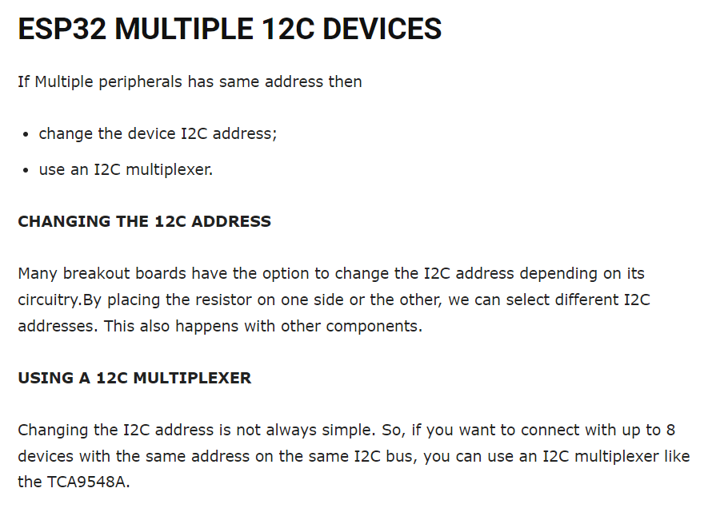
masalah temp sensor, masalah koneksi sensor

